Configuration
 |  | Machine Number |  |  |  | Machine Number |  |  |  | Machine Number
 |  | 10 |  |  |  | 20 |  |  |  | 30 |  |  |  | Messages
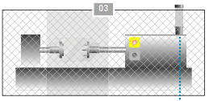

IP 1 | √ | 10.10.150.1 |  | IP | √ | 10.10.150.2 |  | IP | √ | 10.10.150.3
Subnet 1 |  | 255.0.0.0 |  | Subnet | √ | 255.0.0.0 |  | Subnet | √ | 255.0.0.0
Gateway |  | 10.10.150.100 |  | Gateway |  | 10.10.150.100 |  | Gateway |  | 10.10.150.100

Net-IP | √ | 10.0.0.0

 |  |  |  |  |  |  |  |  |  |  |  |  |  | 123 | Enter / Change Value
 |  |  |  |  |  |  |  |  |  |  |  |  |  | 123 | Precalculated Value. Can be overwritten
 |  |  |  |  |  |  |  |  |  |  |  |  |  | 123 | Only for Information. Don't change

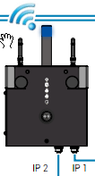
 |  |  |  |  |  |  |  |  |  |  | Accesspoint
 |  |  |  |  |  |  | WIFI 5 Ghz (IP10) | IP |  | 192.168.1.1 | SSID |  | SN05529561_SIG_10 | WLAN-Channel | 42 (BW 80) | Base-Ch | 36 | Bandwidth | 80
 | Cable from Laptop |  |  |  |  |  |  | Subnet |  | 255.255.255.0 | PW |  | 12345678 | Enable AP | yes | Show SSID | yes
 |  |  |  |  |  |  |  | Net-IP | √ | 192.168.1.0 | Encryption | √ | WPA2-AES

 |  |  | CountryCode | AT
 |  |  |  |  |  |  | WIFI 2,4 Ghz (IP11) | IP |  | 192.168.2.1 | SSID |  | SN05529561_SIG_11 | Channel | 6 (BW 20) | Channel | 6 | Bandwidth | 20
 |  |  |  |  |  |  |  | Subnet |  | 255.255.255.0 | PW |  | 12345678 | Enable AP | yes | Show SSID | yes
 |  |  | Wireless from Laptop |  |  |  |  | Net-IP | √ | 192.168.2.0 | Encryption | √ | WPA2-AES

 |  |  |  |  |  |  | LAN (IP1) | IP | √ | 10.10.150.100
 |  |  | Serial number BWH | 05529561 |  |  |  | Subnet | √ | 255.0.0.0
 |  |  | Serial number HGW | 05380593


Connect to |  | Wired
IP |  | 10.10.150.200
Subnet |  | 10.0.0.0
Gateway |  | 10.10.150.100
 |  |  |  |  |  |  |  |  |  |  | Accesspoint
Connect to |  | IF 11 (2,4GHz) |  |  |  |  | WIFI 5 Ghz (IP10) | IP | √ | 192.168.1.2 | SSID |  | SN05380593_SIG_10 | WLAN-Channel | 42 (BW 80) | Base-Ch | 36 | Bandwidth | 80
IP |  | 192.168.2.12 |  |  |  |  |  | Subnet | √ | 255.255.255.0 | PW |  | 12345678 | Enable AP | no | Show SSID | yes
Subnet |  | 255.255.255.0 |  |  |  |  |  | Gateway |  | 192.168.1.1 | Encryption | √ | WPA2-AES
Gateway |  | 192.168.2.1

 |  |  |  |  |  |  | WIFI 2,4 Ghz (IP11) | IP | √ | 192.168.2.2 | SSID |  | SN05380593_SIG_11 | Channel | 6 (BW 20) | Channel | 6 | Bandwidth | 20
 |  |  |  |  |  |  |  | Subnet | √ | 255.255.255.0 | PW |  | 12345678 | Enable AP | no | Show SSID | yes
 |  |  |  |  |  |  |  |  |  |  | Encryption | √ | WPA2-AES
Laptop: cmd.exe (for accessing stranger nets)
REM route print --> list all set routes
REM route ADD <Dest-IP> MASK <Netmask> <gateway> [METRIC <number>] [IF <interfacenumber>]
route ADD 10.0.0.0 MASK 255.0.0.0 192.168.2.1 -p |  |  |  |  |  |  |  | -p = permanent

route ADD 192.168.1.0 MASK 255.255.255.0 10.10.150.100 -p |  |  |  |  |  |  |  | -p = permanent

BWH
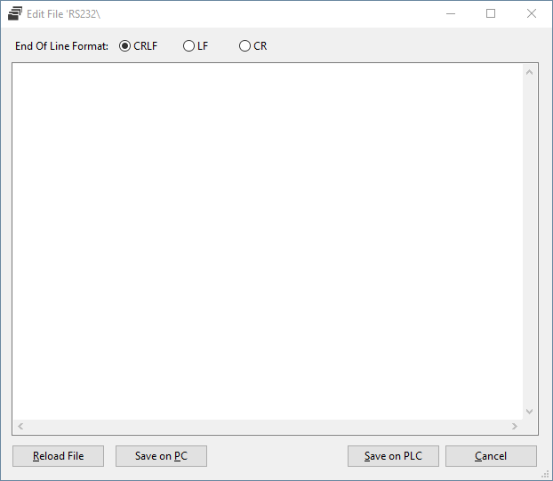
 | C:\autoexec.lsl
 | REM +---------------------------------------------+
 | REM | LASAL OS Installation | |  |  | C:\autoexec.lsl
 | REM | S i g m a t e k G m b H & C o K G |
 | REM | www.sigmatek.at |
 | REM +---------------------------------------------+

 | REM +---------------------------------------------+ |  | REM +---------------------------------------------+
 | REM | BWH Configuration | |  | REM | LASAL OS Installation |
 | REM +---------------------------------------------+ |  | REM | S i g m a t e k G m b H & C o K G |
 |  |  | REM | www.sigmatek.at |
 | SET EVENTLOG ON |  | REM +---------------------------------------------+
 | SET OSHEAP 120000
 |  |  | REM +---------------------------------------------+
 | SET CAN 1 BAUD 1 STATION 0 |  | REM | BWH Configuration |
 |  |  | REM +---------------------------------------------+
 | SET IP 1 HOSTADDR 10.10.150.100
 | SET IP 1 SUBNET 255.0.0.0 |  | SET EVENTLOG ON
 |  |  | SET OSHEAP 120000
 |  | Strg+C
 |  | Strg+V | SET CAN 1 BAUD 1 STATION 0

 |  |  | SET IP 1 HOSTADDR 10.10.150.100 |  | rem SET IP 2 HOSTADDR 10 235 20 65 SUBNET 255 255 255 0
 |  |  | SET IP 1 SUBNET 255.0.0.0
 | REM WLAN access-point settings - can be removed in case of no WLAN
 | REM WLAN 5GHz:
 | SET IP 10 HOSTADDR 192.168.1.1 SUBNET 255.255.255.0
 | REM WLAN 2,4GHz:
 | SET IP 11 HOSTADDR 192.168.2.1 SUBNET 255.255.255.0

 | WLANAP 10 11 |  | REM WLAN access-point settings - can be removed in case of no WLAN
 |  |  | REM WLAN 5GHz:
 |  |  | SET IP 10 HOSTADDR 192.168.1.1 SUBNET 255.255.255.0 |  | rem ADDBR 50 1 2 10 11
 |  |  | REM WLAN 2,4GHz: |  | rem SET IP 50 HOSTADDR 10 235 10 65 SUBNET 255 255 255 0
 |  |  | SET IP 11 HOSTADDR 192.168.2.1 SUBNET 255.255.255.0

 | CALIB CHECK |  | WLANAP 10 11
 | SET RUNTIME 30

 | VER
 | LSLLOAD
 | RUN

 | C:\lslsys\rsdbd.conf
 | # +------------------------------------------------+
 | # | Configuration of the Accesspoint (BWH) |
 | # +------------------------------------------------+

 | # Parameters for WLAN-AP interface 10 (5G) | Strg+C |  | C:\lslsys\rsdbd.conf
 | channel_10 = 36 | Strg+V
 | bandwidth_10 = 80
 | key_mgmt_10 = WPA-PSK
 | pairwise_10 = CCMP
 | proto_10 = WPA2 |  | # | Configuration of the Accesspoint (BWH) |
 | psk_10 = 12345678 |  | # +------------------------------------------------+
 | ssid_10 = SN05529561_SIG_10
* | # ssid_invisible_10=0 |  | # Parameters for WLAN-AP interface 10 (5G)
 |  |  | channel_10 = 36
 | # Parameters for WLAN-AP interface 11 (2.4G) |  | bandwidth_10 = 80
 | channel_11 = 6 |  | key_mgmt_10 = WPA-PSK
 | bandwidth_11 = 20 |  | pairwise_10 = CCMP
 | key_mgmt_11 = WPA-PSK |  | proto_10 = WPA2
 | pairwise_11 = CCMP
 | proto_11 = WPA2
 | psk_11 = 12345678
 | ssid_11 = SN05529561_SIG_11
* | # ssid_invisible_11=0

 | # General WLAN-AP parameters
 | country_code = AT
 | # maximal TX power in dBm
 | # tx_power = 20
* | OS-Version >= 09.03.150 needed |  |  | C:\lslsys\wireless.conf

 | C:\lslsys\wireless.conf
 | # +------------------------------------------------+
 | # | Configuration of the WLAN-Client IP10 (5GHz) | | Strg+C | # | Configuration of the WLAN-Client IP10 (5GHz) |
 | # +------------------------------------------------+ | Strg+V | # +------------------------------------------------+

 | ctrl_interface=/var/run/wpa_supplicant |  | ctrl_interface=/var/run/wpa_supplicant
 | update_config=1 |  | update_config=1

* |  |  |  | C:\lslsys\wireless2.conf

* | OS-Version >= 09.03.150 needed

 | C:\lslsys\wireless2.conf |  | # | Configuration of the WLAN-Client IP11 (2.4GHz) |
 | # +------------------------------------------------+ | Strg+C | # +------------------------------------------------+
 | # | Configuration of the WLAN-Client IP11 (2.4GHz) | | Strg+V
 | # +------------------------------------------------+ |  | ctrl_interface=/var/run/wpa_supplicant
 |  |  | update_config=1
 | ctrl_interface=/var/run/wpa_supplicant
 | update_config=1

*

* | OS-Version >= 09.03.150 needed

Ping und MachineManager
 | Prüfen per Remote-CLI
 | Ping 10.10.150.100
 | Ping 192.168.1.1 |  | Ping 10.10.150.100
 | Ping 192.168.2.2
 | Ping 192.168.1.2

Machinemanager (Online opver IP)

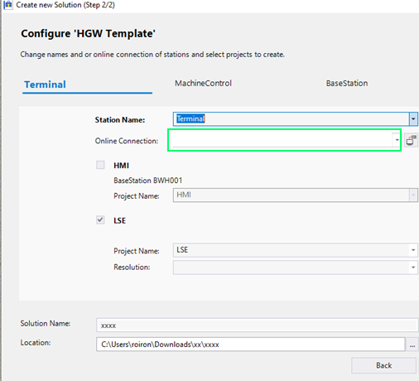
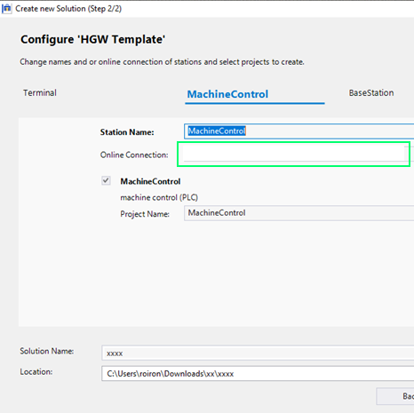
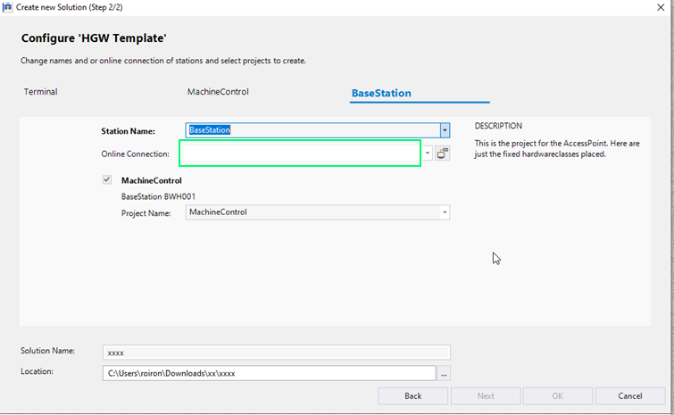

 |  | 192.168.1.2 |  | 10.10.150.1 | 10.10.150.100

MM Multimaster
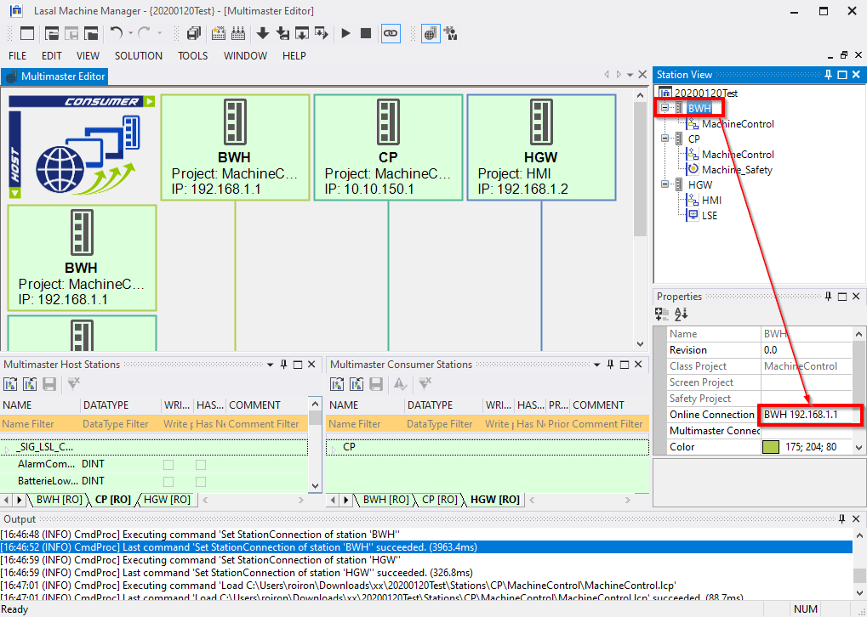
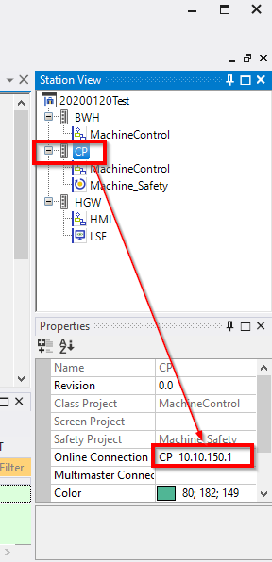
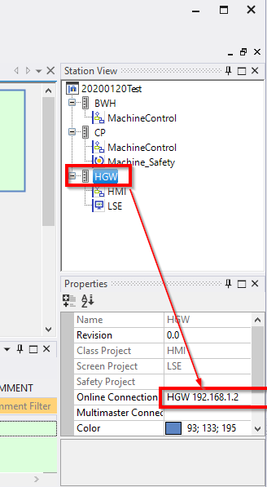

192.168.1.1 | 10.10.150.1 | 192.168.1.2

